Output Shaft
Arm Configuration | Horizontal | 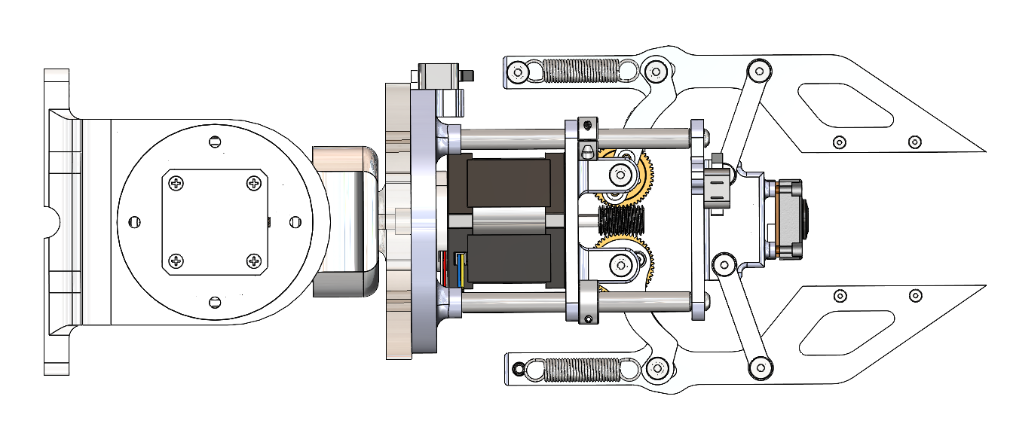 | 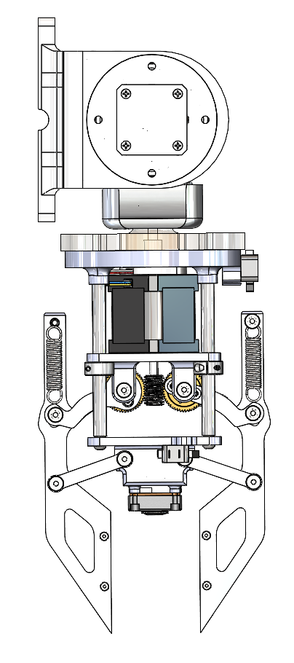 Vertical

Loading Case
5 kg payload
horizontal case

